How To Order, Features
Bill Colgan, “Father of the Car Bra”, created the first car bra in 1961 for German engineers interested in providing a better protective cover for use while road testing cars...particularly new Porsches!
The Colgan commitment to testing and development continues today and our bras set the standards by which others are measured. Features that make Colgan the BEST include:
• The heaviest vinyl for maximum protection - 25 oz. 100% virgin vinyl with exclusive memory fit.
• Special vinyl topcoat - specially formulated UV-resistant finish helps prevent aging & cracking.
• Super soft , thick, porous flannel backing - helps protect paint finish & allows moisture to escape.
• Attached components - no loose mounting pieces; everything is attached to the bra for easier installation.
• Finished with soft felt binding - all edges & openings are bound to help protect the vehicle finish.
• Strong top/double stitching - hand-tailored finish for durability.
• Double padding at critical fender areas - helps prevent wear-through and protect the vehicle finish.
• 3 year limited warranty - longest warranty in the aftermarket.

 |  | How to order...
 | 1 - Find the correct make/year/model of vehicle in the application guide
 | 2 - Note the bra styles available, for example:
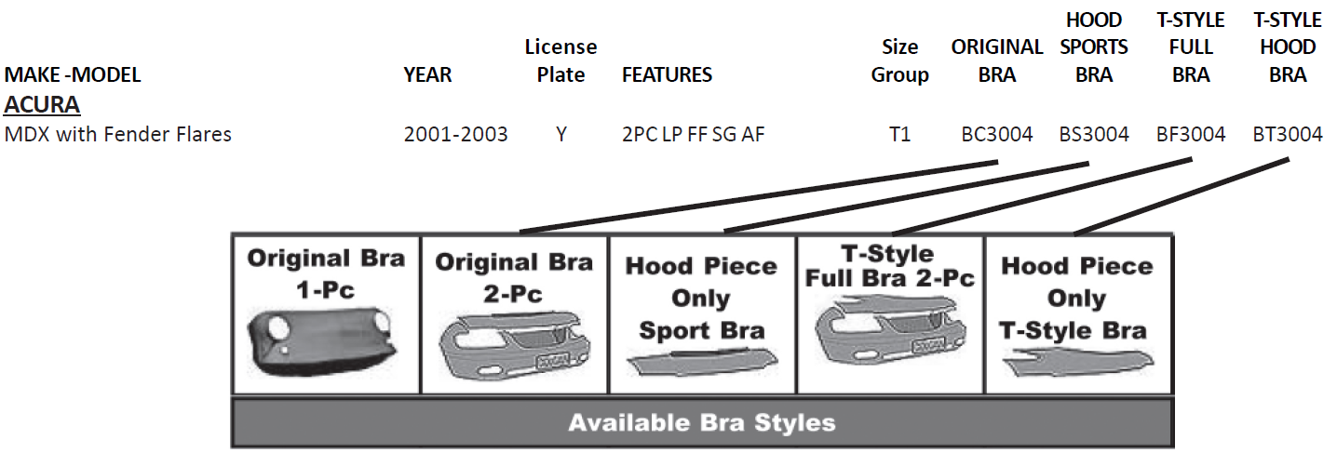

3 - Review the FEATURES included with each front-end bra pattern:
1PC=1 Piece Design |  | 2PC=2 Piece Design | AF=Air Foils On Hood Piece
BG=Bumper Guard Opening |  | BNC=Bumper NOT Covered | CL=Corner Light Opening
FF=Fender Flares |  | FG=Fog Light Opening | FNC=Fenders NOT Covered
HC=Headlight Covers |  | HF=Headlight Flaps | HO=Hood Ornament
HP=Hood Pins |  | LP=License Plate Opening | SC=Side Camera (BMW)
SEN=Sensors |  | SG=Screen Over Grille | SPLR=Spoiler
SV=Screen Over Vent |  | TH=Tow Hooks | TS=Turn Signal Openings
HW=Headlight Washers |  | CAM=Camera In Grille | OV=Over Rider Bars
DL=Driving Lights |  | EM=Emblem Opening

An asterisk (*) in front of the following codes means it fits with or without the following:
*LP=License Plate *HW=Headlight Washers/Wipers *HP=Hood Pins *FF=Fender Flares *FG=Fog Lights

4 - Order the required bra pattern and add the following suffix to the end of the part number -
BC = black crush embossed vinyl or CF = black carbon fiber embossed vinyl

Mirror Bras
Four size groups, all sold in PAIRS
M1 = Cars
M2 = Cars with turn signal screen insert
M3 = SUV’s, pickups & vans
M4 = SUV’s, pickups & vans with turn signal screen insert

